Sheet1
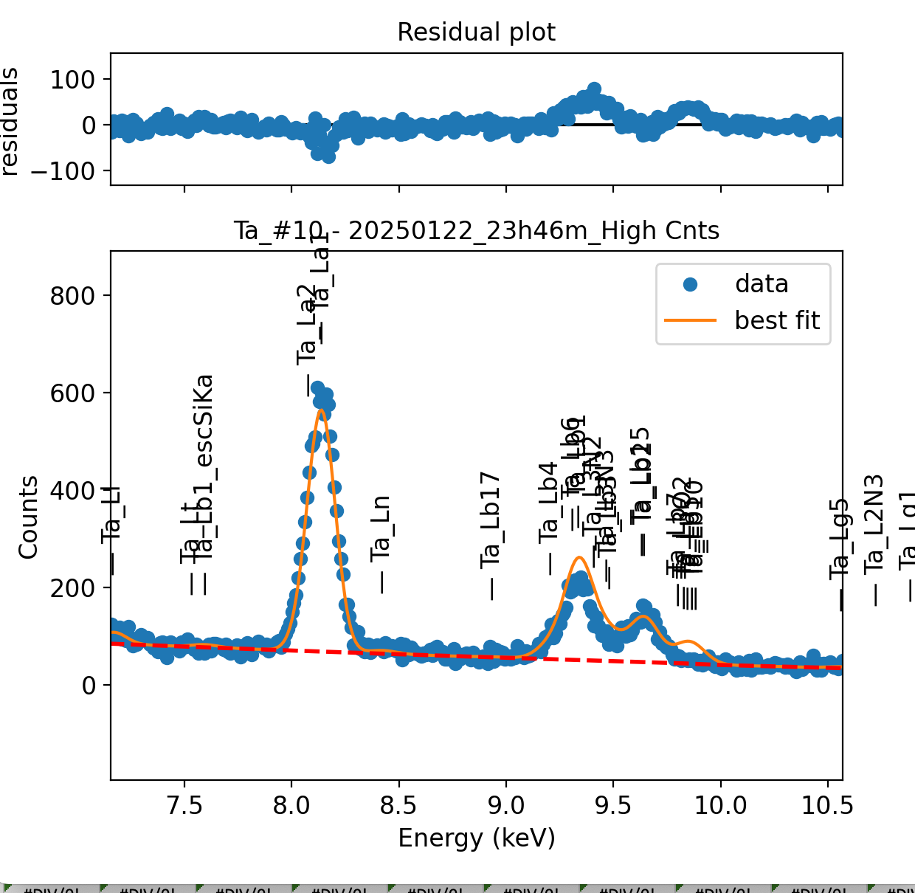
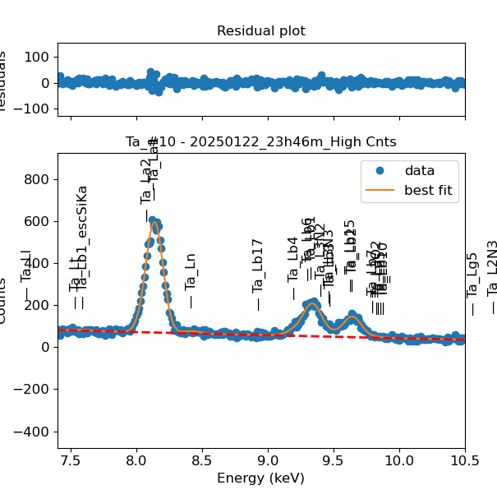
Weights calibrated measuring a pure Ta standard, bulk, polished |  |  |  |  |  |  |  |  |  |  | Weights unchanged
Area of all peaks is fitted |  |  |  |  |  |  |  |  |  |  | Weights changed
A constant shift is maintained across all peaks
Sigma is fixed for all peaks
Added the following peaks because they were present in all other elements with similar atomic number (e.g. Hf, W) |  |  |  |  |  |  |  | Lb6 | Lb3

Ta |  | Meas 1 | Meas 2 | Meas 3 | Meas 4 | Meas 5 | Meas 6 | Meas 7 | Meas 8 | Meas 9 | Meas 10
La1 |  | 79.636 | 79.122 | 78.242 | 76.884 | 77.78 | 75.55 | 75.79 | 79.127 | 75.106 | 74.979
Ln |  | 2.46 | 1.439 | 2.36 | 2.876 | 3.623 | 3.709 | 2.305 | 2.313 | 1.916 | 4.426
Lb4 |  | 1.369 | 1.261 | 1.829 | 0.734 | 1.009 | 0.013 | 0.809 | 1.599 | 1.042 | 1.745
Lb1 |  | 27.955 | 17.42 | 27.072 | 21.902 | 26.852 | 23.723 | 18.013 | 18.135 | 23.467 | 24.987
Lb6 |  | 0.009 | 8.825 | 0 | 6.203 | 0.31 | 2.295 | 7.246 | 7.613 | 3.252 | 0.217
Lb1 + Lb6 |  | 27.964 | 26.245 | 27.072 | 28.105 | 27.162 | 26.018 | 25.259 | 25.748 | 26.719 | 25.204
L3N2 |  | 0.027 | 1.508 | 0 | 0 | 0 | 0.048 | 0 | 3.066 | 0.018 | 0
Lb3 |  | 2.629 | 2.701 | 2.823 | 3.338 | 0.209 | 0 | 4.732 | 2.227 | 0.002 | 0.016
L3N3 |  | 0.045 | 0.025 | 0 | 0 | 3.224 | 2.726 | 0.001 | 0.001 | 2.057 | 2.78
L3N2 + Lb3 + L3N3 |  | 2.701 | 4.234 | 2.823 | 3.338 | 3.433 | 2.774 | 4.733 | 5.294 | 2.077 | 2.796
Lb2 |  | 10.69 | 10.354 | 9.815 | 10.435 | 10.549 | 11.483 | 9.788 | 10.228 | 10.162 | 10.394
Lb7 |  | 0 | 0 | 0.001 | 0 | 0 | 0.002 | 0.206 | 0.592 | 0.162 | 0
L3O2 |  | 0 | 0 | 0.622 | 0 | 0 | 0 | 0 | 0.006 | 0.042 | 0.6
Lu |  | 1.625 | 0.956 | 0.003 | 0.223 | 0 | 0.001 | 0 | 0 | 0 | 0.03
Lb10 |  | 0 | 0 | 0.007 | 0 | 0 | 0.594 | 0.781 | 0 | 0.815 | 0.001
Lb5 |  | 0 | 0 | 0.053 | 0 | 1.259 | 0 | 0 | 0.13 | 0.094 | 0.002
Lb7 + L3O2 + Lu + Lb10 + Lb5 |  | 1.625 | 0.956 | 0.686 | 0.223 | 1.259 | 0.597 | 0.987 | 0.728 | 1.113 | 0.633

Line | Original w | Meas 1 | Meas 2 | Meas 3 | Meas 4 | Meas 5 | Meas 6 | Meas 7 | Meas 8 | Meas 9 | Meas 10 | Mean | Stdev | Er (%)
La1 | 1 | 1.0000 | 1.0000 | 1.0000 | 1.0000 | 1.0000 | 1.0000 | 1.0000 | 1.0000 | 1.0000 | 1.0000 | 1.0000
Ln | 0.01505 | 0.0309 | 0.0182 | 0.0302 | 0.0374 | 0.0466 | 0.0491 | 0.0304 | 0.0292 | 0.0255 | 0.0590 | 0.0357 | 0.0124 | 34.72
Lb4 | 0.06907 | 0.0172 | 0.0159 | 0.0234 | 0.0095 | 0.0130 | 0.0002 | 0.0107 | 0.0202 | 0.0139 | 0.0233 | 0.0147 | 0.0070 | 47.73
Lb1 | 0.46284 | 0.3510 | 0.2202 | 0.3460 | 0.2849 | 0.3452 | 0.3140 | 0.2377 | 0.2292 | 0.3125 | 0.3333 | 0.2974 | 0.0513 | 17.24
Lb6 | 0.014 | 0.0001 | 0.1115 | 0.0000 | 0.0807 | 0.0040 | 0.0304 | 0.0956 | 0.0962 | 0.0433 | 0.0029 | 0.0465 | 0.0454 | 97.76
Lb1 + Lb6 | 0.47684 | 0.3511 | 0.3317 | 0.3460 | 0.3656 | 0.3492 | 0.3444 | 0.3333 | 0.3254 | 0.3558 | 0.3361 | 0.3439 | 0.0123 | 3.57
L3N2 | 0.0001 | 0.0003 | 0.0191 | 0.0000 | 0.0000 | 0.0000 | 0.0006 | 0.0000 | 0.0387 | 0.0002 | 0.0000 | 0.0059 | 0.0130 | 219.96
Lb3 | 0.0001 | 0.0330 | 0.0341 | 0.0361 | 0.0434 | 0.0027 | 0.0000 | 0.0624 | 0.0281 | 0.0000 | 0.0002 | 0.0240 | 0.0220 | 91.78
L3N3 | 0.07755 | 0.0006 | 0.0003 | 0.0000 | 0.0000 | 0.0415 | 0.0361 | 0.0000 | 0.0000 | 0.0274 | 0.0371 | 0.0143 | 0.0186 | 129.94
L3N2 + Lb3 + L3N3 | 0.07775 | 0.0339 | 0.0535 | 0.0361 | 0.0434 | 0.0441 | 0.0367 | 0.0624 | 0.0669 | 0.0277 | 0.0373 | 0.0442 | 0.0128 | 29.06
Lb2 | 0.13705 | 0.1342 | 0.1309 | 0.1254 | 0.1357 | 0.1356 | 0.1520 | 0.1291 | 0.1293 | 0.1353 | 0.1386 | 0.1346 | 0.0073 | 5.41
Lb7 | 0.00841 | 0.0000 | 0.0000 | 0.0000 | 0.0000 | 0.0000 | 0.0000 | 0.0027 | 0.0075 | 0.0022 | 0.0000 | 0.0012 | 0.0024 | 195.12
L3O2 | 0.0001 | 0.0000 | 0.0000 | 0.0079 | 0.0000 | 0.0000 | 0.0000 | 0.0000 | 0.0001 | 0.0006 | 0.0080 | 0.0017 | 0.0033 | 201.00
Lu | 0.08234 | 0.0204 | 0.0121 | 0.0000 | 0.0029 | 0.0000 | 0.0000 | 0.0000 | 0.0000 | 0.0000 | 0.0004 | 0.0036 | 0.0070 | 195.64
Lb10 | 0.00865 | 0.0000 | 0.0000 | 0.0001 | 0.0000 | 0.0000 | 0.0079 | 0.0103 | 0.0000 | 0.0109 | 0.0000 | 0.0029 | 0.0047 | 162.26
Lb5 | 0.014 | 0.0000 | 0.0000 | 0.0007 | 0.0000 | 0.0162 | 0.0000 | 0.0000 | 0.0016 | 0.0013 | 0.0000 | 0.0020 | 0.0050 | 254.16
Lb7 + L3O2 + Lu + Lb10 + Lb5 | 0.1135 | 0.0204 | 0.0121 | 0.0088 | 0.0029 | 0.0162 | 0.0079 | 0.0130 | 0.0092 | 0.0148 | 0.0084 | 0.0114 | 0.0050 | 43.84

Fits whose peak areas vary, but whose sum is almost cosntant:
So we use the original ratios to diustribute the sum among the 2 peaks, giving:

Lb1 + Lb6 | Lb1 | Lb6 | Sum
Original ratio | 0.9706 | 0.0294
Resulting weights: | 0.3338 | 0.0101 | 0.3439

L3N2 + Lb3 + L3N3 | L3N2 | Lb3 | L3N3 | Sum
Original ratio | 0.0013 | 0.0013 | 0.9974
Resulting weights: | 0.00006 | 0.00006 | 0.04409 | 0.0442

Lb7 + L3O2 + Lu + Lb10 + Lb5 | Lb7 | L3O2 | Lu | Lb10 | Lb5 | Sum
Original ratio | 0.0741 | 0.0009 | 0.7255 | 0.0762 | 0.1233
Resulting weights: | 0.00084 | 0.00001 | 0.00825 | 0.00087 | 0.00140 | 0.0114

 |  | Without fixing the peaks above: |  |  |  |  |  |  |  |  | Fixing the peaks:

